Heavy buses
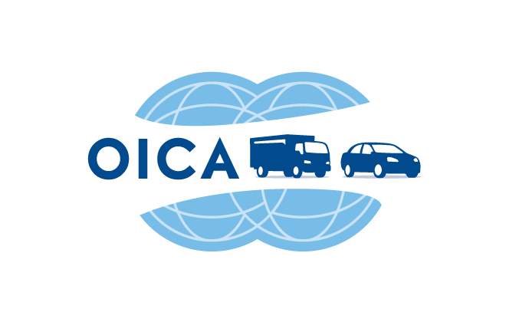 BASEPROBC | WORLD MOTOR VEHICLE PRODUCTION BY COUNTRY AND TYPE
 | OICA correspondents survey

UNITS | YTD 2016 | YTD 2017
HEAVY BUSES | Q4 | Q4 | VARIATION
EUROPE | 40,090 | 40,902 | +2.0%
- EUROPEAN UNION 27 countries | 14,642 | 13,643 | -6.8%
- EUROPEAN UNION 15 countries | 5,020 | 3,761 | -25.1%
Double Counts Austria / Germany
Double Counts Austria / Japan
Double Counts Belgium / Germany
Double Counts Italy / Germany
Double Counts Portugal / World
AUSTRIA
BELGIUM | 543 | 360 | -33.7%
FINLAND
FRANCE | publication stopped
GERMANY | publication stopped
ITALY | 640 | 390 | -39.1%
NETHERLANDS *** AS OF 2013, FIGURES ONCE A YEAR ONLY | 800 | 800 | +0.0%
PORTUGAL
SPAIN
SWEDEN | publication stopped
UNITED KINGDOM | 3,037 | 2,211 | -27.2%
- EUROPEAN UNION New Members | 9,622 | 9,882 | +2.7%
Double Counts East Europe / World
CZECH REPUBLIC | 4,388 | 4,631 | +5.5%
HUNGARY
POLAND | 5,234 | 5,251 | +0.3%
ROMANIA
SLOVAKIA
SLOVENIA
- OTHER EUROPE | 14,035 | 15,361 | +9.4%
SERBIA
CIS | 14,035 | 15,361 | +9.4%
Double Counts CIS / World
Double Counts Ukraine / World
RUSSIA | 12,183 | 12,764 | +4.8%
AZERBAIDJAN
BELARUS | 1,169 | 1,145 | -2.1%
KAZAKHSTAN | 362 | 648 | +79.0%
UKRAINE | 321 | 804 | +150.5%
UZBEKISTAN
TURKEY | 11,413 | 11,898 | +4.2%
AMERICA | 18,705 | 20,670 | +10.5%
- NAFTA | 0 | 0
CANADA
MEXICO
USA
- SOUTH AMERICA | 18,705 | 20,670 | +10.5%
Double counts South America / World
ARGENTINA | publication stopped
BRAZIL | 18,705 | 20,670 | +10.5%
CHILE
COLOMBIA
ECUADOR
PERU
URUGUAY
VENEZUELA
ASIA-OCEANIA | 278,326 | 253,555 | -8.9%
Double Counts Asia / World
AUSTRALIA
BANGLADESH
CHINA | 189,171 | 178,385 | -5.7%
INDIA | 52,186 | 42,392 | -18.8%
INDONESIA | 4,769 | 2,550 | -46.5%
IRAN | 969 | 1,760 | +81.6%
JAPAN | 12,288 | 12,181 | -0.9%
MALAYSIA | 753 | 420 | -44.2%
PAKISTAN | 1,240 | 880 | -29.0%
PHILIPPINES
SOUTH KOREA | 16,768 | 14,762 | -12.0%
TAIWAN
THAILAND | 182 | 225 | +23.6%
VIETNAM
AFRICA | 1,276 | 1,131 | -11.4%
Double Counts Egypt / World
Double Counts South Africa / World
ALGERIA
BOTSWANA
EGYPT
KENYA
LIBYA
MOROCCO
NIGERIA
SOUTH AFRICA | 1,276 | 1,131 | -11.4%
SUDAN
TUNISIA
ZIMBABWE
OTHERS
TOTAL | 338,397 | 316,258 | -6.5%

Estimate

